Group 1
 |  |  | 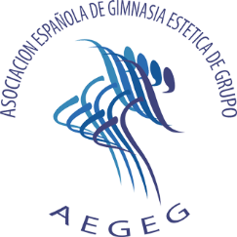
International Tournament for Junior & Children "Pinto City"

Pinto - Madrid, SPAIN
29th- 30th November, 2014

Definitive entry form |  |  | Deadline: 31st October 2014
Only Official IFAGG A or B Member |  |  | (Please respect deadline)

Club name:
Group name:
Country:
 |  |  |  | CHILDREN 8-10
 |  |  |  | CHILDREN 10-12
Category: |  | CHILDREN 10-12 |  | CHILDREN 12-14
 |  |  |  | JUNIOR
 | Gymnasts: | (max. 14) |  | SENIOR
 | Names | Surnames | License | Date of birth (day/month/year) | Names for print results
1
2
3
4
5
6
7
8
9
10
11
12
13
14

Coaches: |  | (max. 2)
1
2

 | Delegation:
 | Head of delegation:
 | Doctor:
 | Physioterapist:
 | Contact phone:
 | Contact e-mail:

Please, send by e-mail to: |  | IFAGG + Organization | Organization Phones:
 |  | office@ifagg.com - info@aegeg.com | +34 934902088

